Sheet1
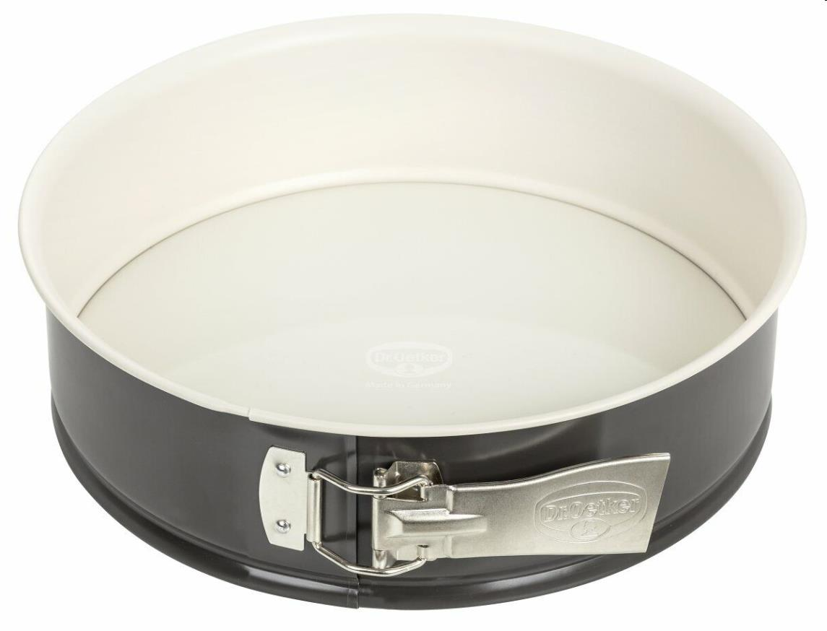
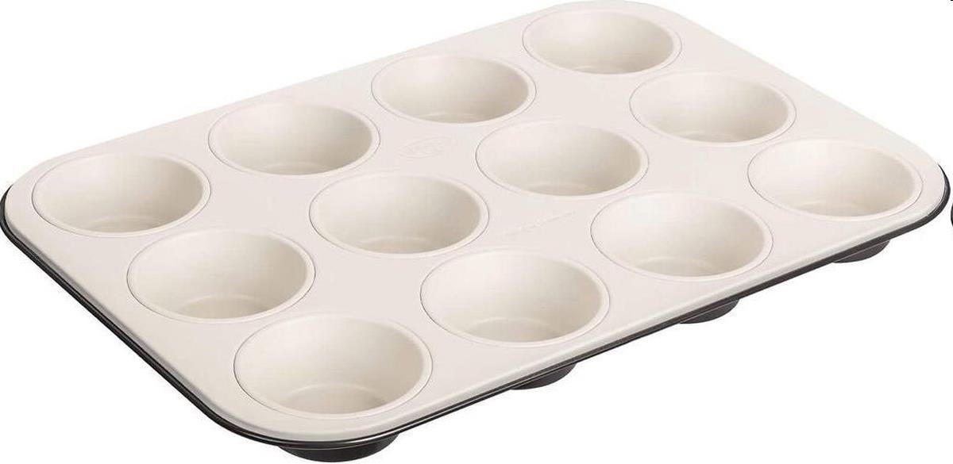
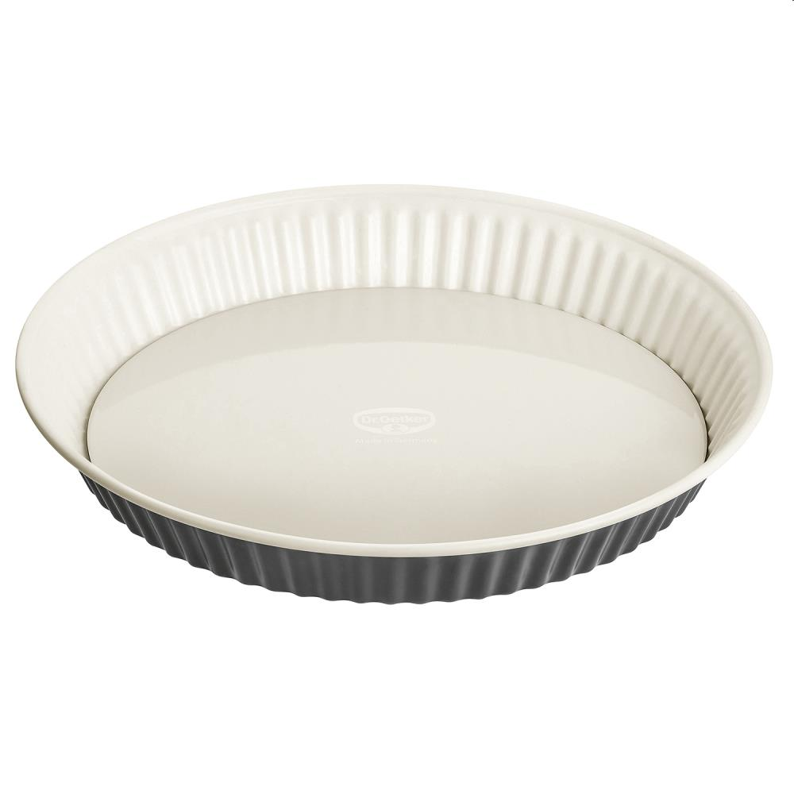
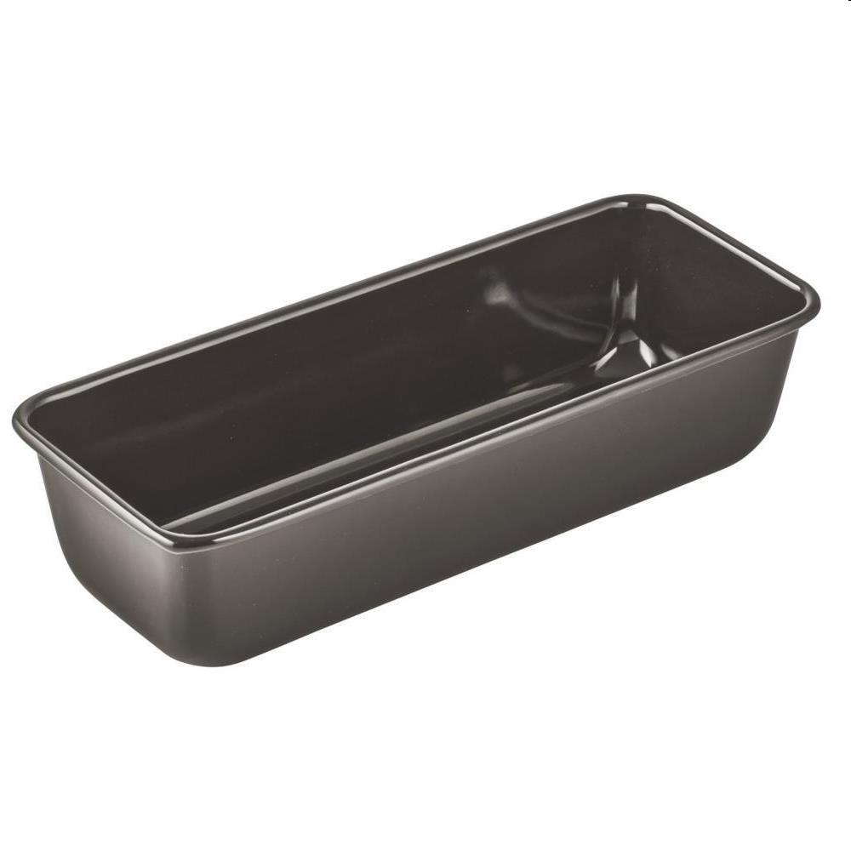
Picture | Item code | Description | Extra information | Restriction | Stock | Sales price EXW | Retail price | Barcode | Quantity PU | Quantity pallet | Pallet | Origin | Customs code | Item weight | Languages on package | Group
 | 22678 | Dr. Oetker, Springform 26cm |  |  | 15200 | 3.9 | 39.99 | 4044935045206 | 3 | 108 |  |  | 7323990000 | 0 |  | Dr. Oetker
 | 22681 | Dr. Oetker, Muffin Tin |  |  | 11800 | 3.9 | 19.99 | 4044935045343 | 5 | 180 |  |  | 7323990000 | 0 |  | Dr. Oetker
 | 22679 | Dr. Oetker, Tart Tin 28cm |  |  | 7450 | 3.9 | 39.99 | 4044935045220 | 3 | 180 |  |  | 7323990000 | 0 |  | Dr. Oetker
 | 22680 | Dr. Oetker, Loaf Tin 30cm |  |  | 5650 | 3.9 | 29.99 | 4044935045268 | 3 | 210 |  |  | 7323990000 | 0 |  | Dr. Oetker

